Change
OneSource - CHANGING a Department Checklist
[department] in [major unit]
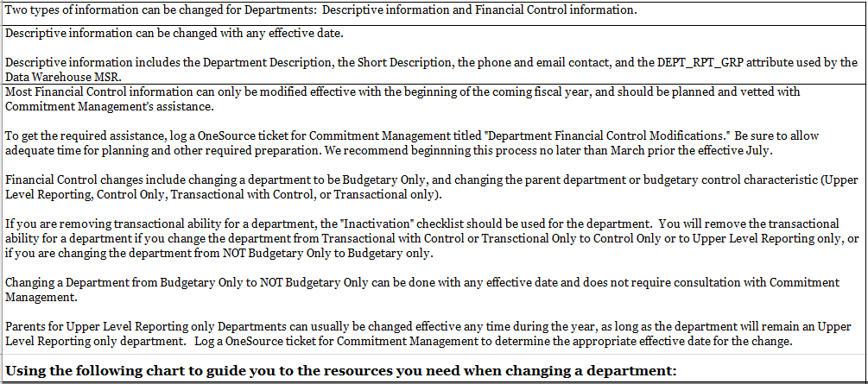
CHANGE TYPE | Effective when? |  | Special Instructions
Telephone | Anytime
Email ID | Anytime
Budgetary Only - Change to UNCHECK | Anytime
Budgetary Only - Change to CHECK | Anytime with recommended preparations |  | Refer to "Inactivate" checklist
Status - Change from Active to Inactive | Anytime with recommended preparations |  | Refer to "Inactivate" checklist
Status - Change from Inactive to Active | Anytime |  | Refer to "New" checklist
Description | Anytime
Manager Name | Anytime
Short Description | Anytime
DEPT_RPT_GRP Attribute | Anytime
Parent to Department: Upper Level Reporting Only Department | Anytime |  | Log a OneSource ticket to consult and determine appropriate effective date
Parent to Department: Not an Upper Level Reporting Only Department | Effective for Beginning of Next Fiscal Year |  | Log a OneSource ticket to consult with Commitment Management
Will the department have children? | Effective for Beginning of Next Fiscal Year |  | Log a OneSource ticket to consult with Commitment Management
Does this department have Budgetary Control? | Effective for Beginning of Next Fiscal Year |  | Log a OneSource ticket to consult with Commitment Management

Then use the following checklist as needed:
Action | Required? | Owner | Resources (click links below) | Workflow | Status | Notes
Finance Departments: Updating a Department ID | Required | Chartfield creator | Tutorial: Updating a ChartField | Send to CBO/CFO for approval | Not Started | See notes in tutorial landing page for important information to consider when updating or inactivating a ChartField. Use the Effective date as appropriate for the type of change.
Finance Departments: Approve updated department ID--unit level | Required | CBO/CFO | Tutorial: Approving a ChartField Request | Send to General Ledger for approval | Not Started
Finance Departments: Approve new department ID--central level | Required | GL |  | Send to Security Team | Not Started
Security (Finance Workflow): Update route control | Required | Security Team |  | Send to CBO/CFO | Not Started
Security (Finance Workflow): Update approvers and route controls (remember to remove CBO/CFO as default approver if applicable) | Required | CBO/CFO | Tutorials: Setting Up Approvals | Route to department/unit administrator to complete setup | Not Started

Cash Management: Update detail codes (TouchNet) | As needed | CBO/CFO | Website: Request New Detail Codes form (requires MyID login) |  | Not Started
Security (UGAmart): UGAmart Approvers setup | As needed | CBO/CFO | Contact: Send an email to OneSource@uga.edu with department number and approvers (pools/levels) | None - UGAmart team configures department approvers as requested | Not Started
Accounts Receivable: AR/BI setup | As needed | CBO/CFO | Website: Accounts Receivable procedure and contact information |  | Not Started | Contact Accounts Receivable.
SpeedTypes: Updating SpeedType setup | As needed | Speedtype creator in unit | Tutorial: Creating a SpeedType and Accounting Tag | None | Not Started
Payroll: OneUSG Connect Combo Codes | If department has payroll | System Manager in OneUSG Connect, but request form not restricted | Tutorial: Requesting/Updating a Combo Code | None - TeamDynamix request directly to Commitment Accounting team | Not Started
Change Position Funding: Change Funding Requests | If needed to move employee to new combo code associated with department | System Manager in OneUSG Connect | Tutorial: Submitting a Change Funding Request |  | Not Started
Payroll: Submit Express Direct Retro requests | If distributed payroll needs to be reallocated | System Manager in OneUSG Connect | Tutorial: Submitting an Express Direct Retro Request | MSS workflow, goes to distributed Approver then to Central Offices | Not Started | Separate EDRs should be submitted for earnings vs fringe; sponsored projects require an attached Cost Transfer Justification Form. There are four exception scenarios for which you may need to submit an Express Direct Retro Request Form instead of an MSS request. For more information, please see the form here: https://uga.teamdynamix.com/TDClient/2060/Portal/Requests/ServiceDet?ID=32313
Campus Mail: Updating Campus Mail codes setup | As needed | Admin | Contact: Senior Accountant Tonya Seay in Mail and Receiving Services |  | Not Started | It is only necessary to set up a Mail Code for a new department if they do mailings or bulk mail jobs.
Phone Services: Updating telephone services | As needed | Admin | Website: Extensive information on the process for establishing new phone service and/or moving phones is available from EITS. |  | Not Started
Asset Management: Reassign assets | As needed | Admin | Tutorial: Changing the Location of an Asset (from the Basic Add Screen) |  | Not Started
 |  |  | Tutorial: Changing Location of an Asset (from Define Operational Info) |  | Not Started
 |  |  | Tutorial: Changing the Custodian of an Asset (from the Basic Add Screen) |  | Not Started
 |  |  | Tutorial: Changing Custodian of an Asset (from Define Operational Info) |  | Not Started
 |  |  | Tutorial: Transferring an Asset to Another Custodial Chartstring |  | Not Started
Financials: WEX card(s) SpeedType(s) | As needed | Admin | FMD Auto Center @ 706-542-7525 |  | Not Started | Fuel from external sources (Golden Pantry) is billed through the WEX system and Accounts Payable posts those charges. Contact the FMD Auto Center @ 706-542-7525 to specify that a different department receives future charges. Any existing charges that should have been made to a different department must be moved via GL Journal Entry
Financials: FMD Vehicle Work Orders | As needed | Admin | http://vehicle.fmd.uga.edu/ |  | Not Started | If a vehicle is assigned to a department, then any fuel from the FMD Auto Center, repairs, etc. are charged to the department's account. Fuel is posted weekly while repairs are daily. Update the department to be charged at http://vehicle.fmd.uga.edu/. Any existing charges that should have been made to a different department must be moved via GL Journal Entry.
Budget Management: Initiate Budget Journals/Transfers to fund department (Revenue and Expense) | As needed | Business Manager/ CFO | Tutorial: Creating a Budget Journal | Departmental approval Central Accounting SPA/Foundation (where applicable) | Not Started
 |  |  | Tutorial: Creating a Budget Transfer |  | Not Started
Grants: Associate any grants with new department | If needed | Grants Portal | Grants Portal Training |  | Not Started

